Instructions
Instructions to fill out this sheet:
Go to the “Entry” tab.
Fill out the Date, Company Name, and ECU name.
Check the 3 questions in the “Questions” column in the table.
Corresponding to each question, in the “Answer” column in the table, Choose the answer that best describes your architecture/implementation. (below is an illustration of each answer choice for each question in the "Answers’ Illustration" section).
For each answer, check the “Ford’s Comment” column in the table and fill out the corresponding “Supplier’s Comment” column (if applicable).
Send the completed excel file form to Sangeeta Balani (SBALANI2@ford.com) and centrlsw@ford.com.
Answers’ Illustration:
Does your ECU utilize an AUTOSAR RTE?
Yes: Fully utilized RTE to manage SW-C and RTE interfaces, and interfaces/task execution at SW-C level.
Limited Use: RTE is used to manage some data interfaces/task execution (application is "partially wrappered").
No: No RTE at all, Or RTE is not used to manage application interfaces/task execution (application is "wrappered").
Does your ECU utilize BSW modules?
Full: Complete AUTOSAR BSW in place.
Partial: AUTOSAR BSW in place for Communication components only (CAN).
No: No AUTOSAR BSW in place. “Single-sided” RTE, which hides the non-AUTOSAR BSW from the application SW components.
Are Complex Device Drivers used for functionality that is not provided by AUTOSAR or absolutly needed to meet ECU requirements that cannot be met by AUTOSAR?
Yes: CDD used only for functionality that is not provided by AUTOSAR or absolutly need to meet ECU requirements that cannot be met by AUTOSAR.
No: CDD used for functionality that is provided by AUTOSAR.

Reference
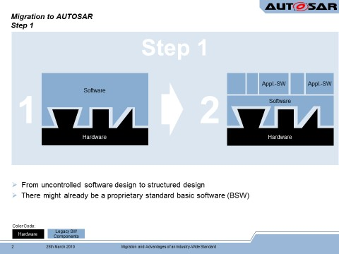
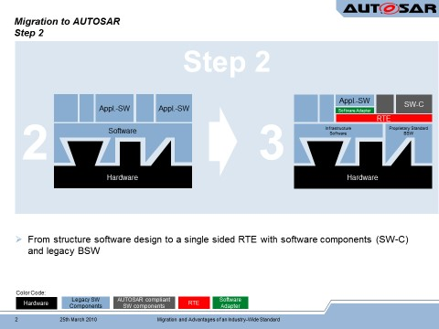
Level | RTE | BSW | CDD | Description
0 | No/Limited | No | x | . No AUTOSAR BSW
 |  |  |  | . No RTE OR RTE is used to manage some data interfaces / task execution ( application is "partially wrappered" )
 |  |  |  | . FNOS (CANbedded) or other proprietary SW for CAN/LIN/etc
 |  |  |  | . Application SW complies to proprietary/ECU specific internal software architecture for:
 |  |  |  | - SW-C Interface Management
 |  |  |  | - ECU external communication ( CAN, etc )
 |  |  |  | - NV Management
 |  |  |  | - DTC/DID Management
1 | Yes | No | x | . No AUTOSAR BSW in place (at most COM stack only). “Single-sided” RTE, which hides the non-AUTOSAR BSW from the application SW components
 |  |  |  | · Application SW-C's interface the BSW via standardized AUTOSAR interfaces via the RTE
 |  |  |  | · RTE is used to manage data interfaces / task execution at SW-C level
 |  |  |  | · AUTOSAR OS or similar in functionality may be required to support RTE
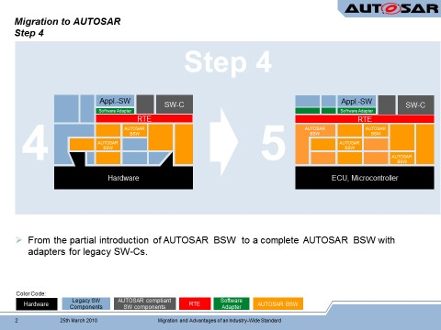
 |  |  |  | · SW-C Interface Management
 |  |  |  | · ECU external communication ( CAN, etc )
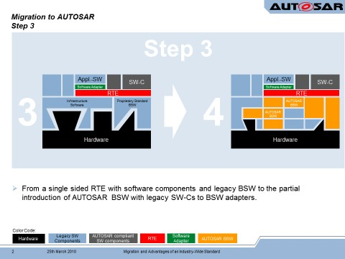
 |  |  |  | · NV Management
 |  |  |  | · DTC/DID Management
2 | No/Limited | Partial | x | · AUTOSAR BSW in place for Communication components only ( CAN )
 |  |  |  | · No RTE OR RTE is used to manage some data interfaces / task execution ( application is "partially wrappered" )
 |  |  |  | · Application SW complies to proprietary/ECU specific internal software architecture for:
 |  |  |  | - SW-C Interface Management
 |  |  |  | - ECU external communication ( CAN, etc )
 |  |  |  | - NV Management
 |  |  |  | - DTC/DID Management
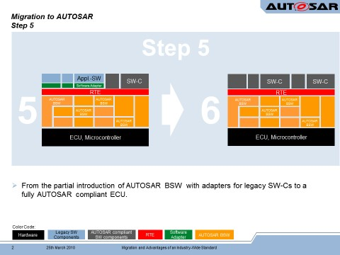
3 | No | Yes | x | · Complete AUTOSAR BSW in place
 |  |  |  | · RTE is not used to manage application interfaces/task execution ( application is "wrappered" )
 |  |  |  | · Application SW complies to proprietary/ECU specific internal software architecture for:
 |  |  |  | - SW-C Interface Management
 |  |  |  | - ECU external communication ( CAN, etc )
 |  |  |  | - NV Management
 |  |  |  | - DTC/DID Management
4 | Limited | Yes | No | · Complete AUTOSAR BSW in place
 |  |  |  | · RTE is used to manage some data interfaces / task execution ( application is "partially wrappered" )
 |  |  |  | · Application SW complies to proprietary/ECU specific internal software architecture for at least one of these technologies:
 |  |  |  | - SW-C Interface Management
 |  |  |  | - ECU external communication ( CAN, etc )
 |  |  |  | - NV Management
 |  |  |  | - DTC/DID Management - CDD used for functionality that is provided by AUTOSAR
5 | Yes | Yes | Yes | . Complete AUTOSAR BSW in place
 |  |  |  | · RTE is used to manage data interfaces / task execution at SW-C level
 |  |  |  | · Application SW-C's interface directly to the BSW via standardized AUTOSAR interfaces via the RTE
 |  |  |  | · SW-C Interface Management
 |  |  |  | · ECU external communication ( CAN, etc )
 |  |  |  | · NV Management
 |  |  |  | · DTC/DID Management
 |  |  |  | . CDD used only for functionality that is not provided by AUTOSAR or absolutly need to meet ECU requirements that cannot be met by AUTOSAR

